Sheet1
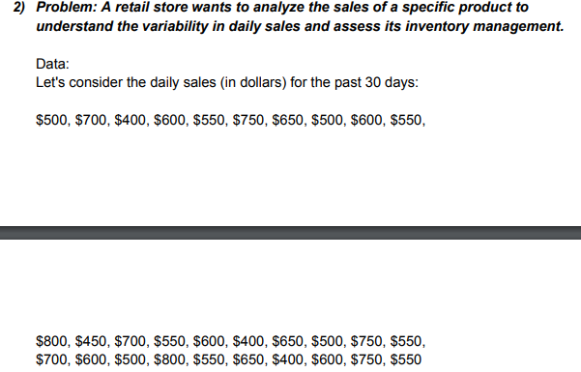
RANGE | ANSWERS
500 | RANGE | 350
700 | VARIANCE | 10666.666667
400 | STANDARD DEVIATION | 103.2795559
600
 | RANGE
 | 500
 | 700
 | 400
 | 600
 | 550
 | 750
 | 650
 | 500
 | 600
 | 550
 | 800
 | 450
 | 700
 | 550
 | 600
 | 400
 | 650
 | 500
 | 750
 | 550
 | 700
 | 600
 | 500
 | 800
 | 550
 | 650
 | 400
 | 600
 | 750
 | 550
550
750
650
500
600
550
800
450
700
550
600
400
650
500
750
550
700
600
500
800
550
650
400
600
750
550

